1
 |  |  | 欧洲化学哈萨克斯坦化工综合体项目

DOC.NO: |  |  |  |  |  |  |  |  | Rev.D01
No. | Issue Date | Sec & Page | Content | Initiator |  | Ans.Date | TCC Comments on Vendor's Proposal | Vendor's Reply to TCC Comments | Remarks / Status
 |  |  |  |  | Content
1 |  |  | Within the scope of the complete set of equipment of the seller, the design and purchase of the instrument must meet the requirements of the technical regulations of the complete set of equipment and instrument. The third-party equipment provided by the Seller must meet the same requirements as the complete equipment, and the relevant review is the responsibility of the seller. If there is a need to meet the requirements of the seller, by the buyer to confirm the implementation, does not propose the deviation of the supplier must unconditionally in accordance with the complete set of equipment instrumentation technical provisions.卖方成套设备范围内，仪表专业的设计、采购必须满足成套设备仪表技术规定的要求。卖方提供的第三方设备必须满足与成套设备同样的要求，相关审查工作由卖方负责。如果有不满足要求的需要由卖方提出，由买方进行确认后执行，未提出偏差的供货商须无条件按照成套设备仪表技术规定执行。 | TCC/INSTRUMENT | All instruments are defined according to HASLER standards and the needs of the filter application. | Oct-24
2 |  |  | The main instrumentation equipment, materials and their main parameters shall be reflected in the Seller's supply list.主要仪表设备、材料及其主要参数应体现在卖方供货清单中。 | TCC/INSTRUMENT | All the information you need can be found in the technical offer. | Oct-24
3 |  |  | The selection of instrument equipment and all design drawings must be approved by the buyer in the project implementation stage, otherwise all consequences caused by the supplier.仪表设备的选型、所有设计图纸在项目实施阶段必须经过买方的审批，否则造成的一切后果由供货商承担。 | TCC/INSTRUMENT | Instrument types are defined by HASLER. If you have a list with supplier names, it must be sent before ordering, otherwise the customer is responsible. | Oct-24
4 |  |  | All instruments and instrument installation materials within the scope of Seller's complete set of equipment are within the scope of Seller's supply, including but not limited to junction box, cable, bridge, conduit, heat tracing box (if necessary), cable sealing joint, plug, air source pipe, pressure guide pipe, valve group, ground wire, steel bracket, etc. The specifications of all installation materials must meet the requirements of the technical specifications of the complete set of equipment and meters.卖方成套设备范围内的所有仪表及仪表安装材料都属于卖方供货范围，包括但不限于接线箱、电缆、桥架、穿线管、保温伴热箱（如果需要）、电缆密封接头、堵头、气源管、导压管、阀组、接地线、型钢支架等。所有安装材料的规格参数必须满足成套设备仪表技术规定的要求。 | TCC/INSTRUMENT | 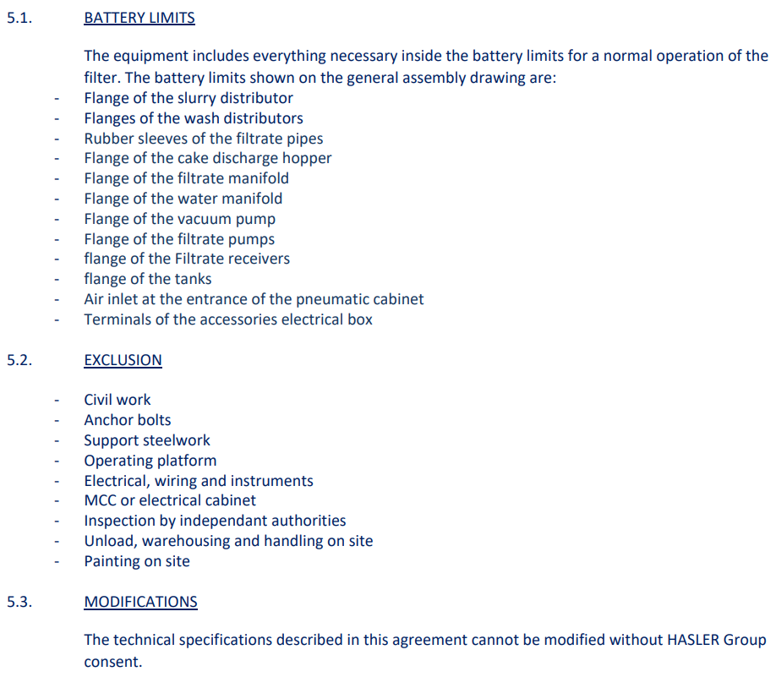 | Oct-24
5 |  |  | The protection level of on-site meters, junction boxes, and control cabinets must be IP65.现场仪表、接线箱、控制柜防护等级需采用IP65。 | TCC/INSTRUMENT | Hasler standards : - Control cabinet : IP55 - Local Control Panel : IP66 - Jonction box : IP66 - Frequency variator : IP2x - Electric motor : IP55 | Oct-24
6 |  |  | Instrument, control box, junction box and instrument installation materials must be able to withstand the corrosion of surrounding media (Mod 1B is hydrochloric acid, Mod 4 is hydrochloric acid, sulfuric acid), please specify the materials of various instruments and installation materials.仪表、控制箱、接线箱及仪表安装材料需能够耐周围介质腐蚀（Mod 1B为盐酸，Mod 4为盐酸、硫酸），请明确仪表各类设备及安装材料的材质。 | TCC/INSTRUMENT | All materials used are described in the technical offer. | Oct-24
7 |  |  | The instrument installation pipe and valve parts are of the sleeve type, not welded type.仪表安装管阀件采用卡套式，不采用焊接型式。 | TCC/INSTRUMENT | To be clarified by customer | Oct-24 | The tubing and fitting shall be compression type, not welded type.
8 |  |  | The cable interfaces between the buyer and the seller are field junction boxes and control boxes. All field instrument signals need to be connected to junction boxes or control boxes. Junction boxes for different signals should be separated, such as intrinsic safety, non-intrinsic safety, digital quantity, analog quantity, etc. The junction box and control box are provided by the seller, and the specifications are detailed in the technical regulations of the complete set of equipment and instruments. The junction box should generally be installed in the complete set of skid blocks, special cases need to be put forward. The seller shall provide the cables from the complete set of on-site instruments to the junction box and control box, and the buyer shall provide the cables from the junction box and control box to the PLC cabinet room. The buyer shall provide the outer diameter of the cables, and the seller shall provide suitable cable sealing joints according to the outer diameter of the cables.买方与卖方的电缆接口为现场接线箱、控制箱，所有现场仪表信号都需要接入接线箱或控制箱，不同信号的接线箱应分开，如本安、非本安、数字量、模拟量等。接线箱、控制箱由卖方提供，规格参数详见成套设备仪表技术规定。接线箱一般应安装在成套撬块内，特殊情况需提出。现场成套仪表到接线箱、控制箱的电缆由卖方提供，接线箱、控制箱到PLC机柜室的电缆由买方提供，买方提供电缆外径，卖方按照电缆外径提供合适的电缆密封接头。 | TCC/INSTRUMENT | OK, you will have a junction box (installed on the belt filter) for each type of signal | Oct-24
9 |  |  | The cable sealing joint is made of nickel-plated brass and steel pipe fabric. Non-armored cables should be protected throughout the whole process and should not be exposed.电缆密封接头材质黄铜镀镍，采用钢管布线型，非铠装电缆需要采用全程保护，不能裸露在外。 | TCC/INSTRUMENT | Cables to be supplied by customer | Oct-24
10 |  |  | Where is the PLC control cabinet installed? Share a cabinet with the electrical control cabinet or set up separately?控制柜安装在什么地方？与电气控制柜合用一个柜子还是独立设置？ | TCC/INSTRUMENT | Please refer to our technical offer (Electrical control cabinet includes all electrical components, PLC, VFD) | Oct-24
11 |  |  | What scheme can realize remote control without PLC operator station in the central control room?中央控制室不设置PLC操作员站，什么方案可以实现远程控制？ | TCC/INSTRUMENT | To be clarified by customer | Oct-24 | No problem
12 |  |  | PLC control cabinet nameplate in English + Russian. Touch screen text in English + Russian. Buttons and indicator signs are available in English + RussianPLC控制柜铭牌采用英语+俄语。触摸屏文字采用英语+俄语。按钮及指示灯标牌等采用英语+俄语。 | TCC/INSTRUMENT | To be discussed later | Oct-24
13 |  |  | The DI/DO signals from the electrical control cabinet to the PLC control cabinet are isolated by relays, and the AI/AO signals are isolated by isolators. PLC and motor signal type handover needs to meet the requirements of the attached MCC-DCS signal type.电气控制柜至PLC控制柜的DI/DO信号采用继电器隔离，AI/AO信号采用隔离器隔离。PLC与电机信号类型交接需要满足附件MCC-DCS信号类型的要求。 | TCC/INSTRUMENT | Supply of complete electrical control cabinet,assembled and pre-wired following Hasler standards | Oct-24
14 |  |  | Does the PLC cabinet need a UPS? The PLC must meet the technical requirements of INS-7G02-00-85-004 Specification for PLC.PLC机柜是否需要UPS供电？PLC需要满足INS-7G02-00-85-004 Specification for PLC的技术要求。 | TCC/INSTRUMENT | To be defined by customer if needed or not The customer have to supply the UPS if needed | Oct-24
15 |  |  | Single-mode optical fiber communication is adopted between the touch screen of the local control cabinet and the PLC. Optical fiber installation accessories on both sides (including photoelectric converters, optical fiber boxes, couplers, jumpers, etc.) are provided by the supplier in complete sets.就地控制柜触摸屏与PLC之间采用单模光纤通讯，两侧的光纤安装附件（包括光电转换器、光纤盒、耦合器、跳线等）由供货商成套提供。 | TCC/INSTRUMENT | It is possible The scope of supply will be discussed later | Oct-24
16 |  |  | Does the compressed air loop control box have a control function? Can field equipment be controlled without PLC? What is the relationship with PLC? Why is this control box not in the automatic control system diagram?压缩空气回路控制箱是否带控制功能？是否不需要通过PLC就能控制现场设备？与PLC之间是什么关系？在自动控制系统图中为何没有此控制箱？ | TCC/INSTRUMENT | No connection with PLC The system works automatically with compressed air (Cloth guiding, tension and vacuum box lifting) | Oct-24
17 |  |  | PLC与DCS采用双路冗余通讯，通讯协议Modbus TCP/IP、Modbus RTU RS485或Profibus DP，在开工会确定。PLC应能够接收来自DCS的时钟同步信号。The PLC and DCS adopt dual redundant communication protocols Modbus TCP/IP, Modbus RTU RS485 or Profibus DP, which will be determined during the startup. The PLC should be able to receive clock synchronization signals from the DCS | TCC/INSTRUMENT | To be clarified by customer | Oct-24 | The indicating and monitoring signals of PLC shall be communicated to DCS by means of redundant serial link. Links shall be implemented with a proven (with the systems selected) and industry standard protocol e.g. Modbus TCP/IP,Modbus RTU RS485 or Profibus DP.
18 |  |  | The key signals between the PLC and DCS are hardwired, which need to be proposed by the seller and reviewed by the buyer, and should at least include the emergency stop signal from the DCS to the control cabinet, the system comprehensive fault signal from the control cabinet to the DCS, and other interlock signals. DCS does not accept non-process-related hard wire signals, including but not limited to temperature alarms in the PLC control cabinet, fan alarms, PLC power/system fault alarms, etc. These signals should be connected to the PLC control system.PLC与DCS之间的关键信号采用硬线，需由卖方提出，由买方进行审查，至少应包括DCS给控制柜的急停信号、控制柜给DCS的系统综合故障信号、其它联锁信号。DCS不接受非工艺流程相关的硬线信号，包括但不限于PLC控制柜内的温度报警、风扇报警、PLC的电源/系统故障报警等，这些信号应接入PLC控制系统。 | TCC/INSTRUMENT | To be discussed later | Oct-24
19 |  |  | Instrument data sheet and instrument index, I/O table, cause and effect chart, etc. are prepared according to the template provided by the buyer. The instrument documentation requirements of INS-7G02-00-85-010 Unified regulations on instrument professional complete equipment shall be met, and all documents shall be reviewed by the buyer before implementation. 仪表数据表及仪表索引、I/O表、因果图等均按照买方提供的模板编制。需满足仪表专业成套设备统一规定INS-7G02-00-85-010对仪表文件的要求，所有文件在实施前先发买方审核。 | TCC/INSTRUMENT | Please send your instrument documentation requirements "INS-7G02-00-85-010" | Oct-24
20 |  |  | All on-site instruments and PLCS need to provide Customs Union certification and Kazakhstan metrology certification, which involves the cost, please confirm with Tianchen certified engineer. The cost of instrument certification is within the scope of the supplier and the quotation needs to be considered.所有现场仪表及PLC都需要提供海关联盟认证和哈萨克斯坦计量认证，涉及到费用，请与天辰认证工程师确认。仪表认证费用是属于供货商范围，报价需考虑。 | TCC/INSTRUMENT | Deviated subject | Oct-24 | This needs to be executed.
21 |  |  | Instrument brands need to meet project shortlist requirements. Electric actuator, solenoid valve, limit switch and positioner meet the internal short list of Tianchen project (provided by the purchaser). The control cabinet shall be Witto or equivalent.仪表品牌需要满足项目短名单要求。电动执行机构、电磁阀、限位开关、定位器满足天辰项目内部短名单（由采购提供）。控制柜采用威图或等同。 | TCC/INSTRUMENT | Please send us your electrical supplier list | Oct-24
22 |  |  | INS-7G02-00-85-010 shall be implemented for the instrument professional complete sets of equipment.仪表专业未尽事宜执行仪表专业成套设备统一规定INS-7G02-00-85-010。 | TCC/INSTRUMENT | Please send your instrument documentation requirements "INS-7G02-00-85-010" | Oct-24 | Please see attachment.
23
24 |  |  |  | TCC
25 |  |  |  | TCC
26 |  |  |  | TCC
27 |  |  |  | TCC
28 |  |  |  | TCC
29 |  |  |  | TCC
30 |  |  |  | TCC
31 |  |  |  | TCC
32 |  |  |  | TCC
33 |  |  |  | TCC
34 |  |  |  | TCC
35 |  |  |  | TCC
36 |  |  |  | TCC
37 |  |  |  | TCC
38 |  |  |  | TCC
39 |  |  |  | TCC
40 |  |  |  | TCC
41 |  |  |  | TCC
42 |  |  |  | TCC
43 |  |  |  | TCC
44 |  |  |  | TCC
45 |  |  |  | TCC
46 |  |  |  | TCC
47 |  |  |  | TCC
48 |  |  |  | TCC
49 |  |  |  | TCC
50 |  |  |  | TCC
51 |  |  |  | TCC
49 |  |  |  | TCC

1. For "Vendor Reply" row, A --- Comply, B --- Not Comply, C --- Comply with Cost Effects, D --- Comply with Deviation/Exception
2. If B/C/D is selected or N.A. for A/B/C/D please also fill "Vendor's Proposal" row

